PRD
Product Requirement Document (PRD) - Version: 1.0

Template Name |  | Hospital Management
Goals & Objective |  | We all transfer money. The goal of this website is to provide a secure and efficient platform for individuals and businesses to transfer money using blockchain technology. From this website user/miner can : - Send & Receive money with low cost transaction fee - Can see transparent ledger where all activity of transaction is shown - Can see block information - Miners can mine blocks - Miners can verify blocks - User/Miners can update their profile information
Client Information
Product Type |  | Web Application
Domain |  | Web2
Access Layers |  | User
Design Required |  | Yes

-Enter password
-Enter Confirm Password [same as Password]
-Click Register button
-Register button will save the response in the database and link to the login page
Phase | Item No | Specification [Role] | Screen Definition | User Story | Acceptance Criteria | UI Screen / Wireframe | Tags
Feature: 1 |  | Auth Feature
phase 1 | 1 | Signup [Miner] [User] | <Form> <input=name> <input=email> <input=gender> <input=dob> <input=password> <input=re-password> <input=user-type> <button=signup> <link=signin> | - Enter Full name (input) - Enter Date_of_birth -Enter Phone Number - Enter valid Email - Enter Insurance Number | - Email (input) field should only accept valid unregistered email address as input, otherwise will show an 'email already used' message. - Password (input) should be minimum 8 characters long. Otherwise show an invalid message. - Re-password (input) should match password. Otherwise show 'password do not match' message. - Phone number should be valid and unregistered, otherwise will show 'phone number already used' - Insurance number should be valid and unregistered, otherwise will show Insurance number already used' | 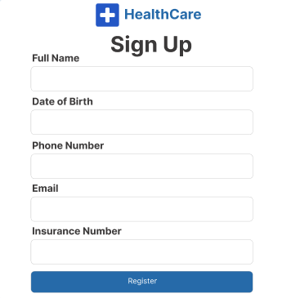 | signup
-Enter Registered Phone number
-Enter Password
phase 1 | 2 | Signin [Miner] [User] | <Form> <input=email> <input=password> <option=remember me> <button=signin> <link=signup> <link=forgot password> |  | - Phone number must match database Phone number - password must match database password - User go to dashboard (if email & password match with database) - User is promt with an error. "Email or password does not match!". (if email & password match with database) - clicking signup should take user to signup page - clicking forgot password should take him to forgot password page | 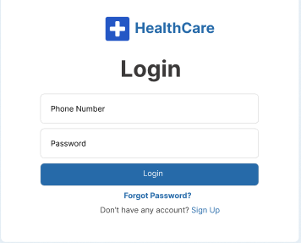 | signin
Feature: 2 |  | Dashboard
phase 1 | 4 | Menu [User] | Dashboard Send money Public Ledger Latest Blocks View Profile Edit Profile Change Profile Photo Change Password | - Next appointment(link) - Medical records/test results(link) - Feedback(link) | - clicking Next appointment will take the user to the next appointment page - clicking medical records/test results will take the user to the medical record/test page - clicking feedback will take the user to the feedback page | 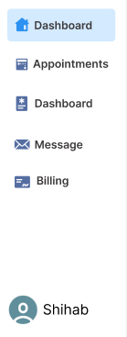 | Menu
phase 1 | 5 | Menu | <Unordered list> Dashboard Send money Public Ledger Latest Blocks Mempool Mine block Verify blocks View Profile Edit Profile Change Profile Photo Change Password | - Dashboard(link) - Send money(link) - public ledger(link) - Latest blocks(link) - Mempool(link) - Mine Blocks(link) - Verify Blocks(link) - View Profile(link) - Edit profile(link) - change profile photo(link) - change password(link) | - clicking dashboard will take user to dashboard page - go to send money page on click - go to public ledger on Click - go to Latest blocks page on click - go to mempool page on click - go to mine blocks page on click - go to verify blocks page on click - go to view profile page on click - go to edit profile page on Click - go to change profile page on Click - go to change password page on Click | 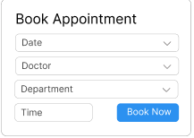
 |  | Menu |  |  |  | 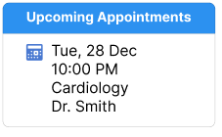
phase 1 | 6 | Menu | <table> Balance : 100.23 BTC View transaction history (link) Your public key Your private key Your bitcoin address | - Balance (text) - trx history(link) - public key (text) - private key(text) - bitcoin address(text) | - show appropiate Balance ( should not be less than 0) - clicking trx history link will take user to trx history page - public key is shown - private key is only shown when clicked - bitcoin address is shown
Feature: 3 |  | Top bar and Bottom Bar
phase 1 | 7 | Top bar | table row 1 col1 : logo col2 : leave it blank col3 : Logged in as, cseshamim47 | logout | - clicking on the profile icon will take the user to the user profile page G18 | - logout should erase cookie and user should not be able to go to dashboard without login again
Feature: 4 |  | Send Money
Feature: 5 |  | Public Ledger
Feature: 6 |  | Block
Feature: 7 |  | Mempool
Feature: 8 |  | Mine Blocks
Feature: 9 |  | Verify Blocks
Feature: 10 |  | Profile
Feature: 11 |  | Transaction details
Feature: 12 |  | Block details
Feature: 13 |  | Notification
Feature: 14 |  | Fllowed User
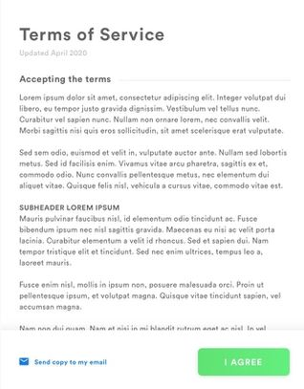
Feature: 15 |  | Legal Agreement Feature
Feature: 16 |  | Transaction History
Feature: 17 |  | About
Feature: 18 |  | Learning Portal
Feature: 19 |  | Deposit
Feature: 20 |  | FAQ
Feature: 21 |  | Currency Converstion
Feature: 22 |  | Request Bitcoin
Feature: 22 |  | Bill Payment

